Sheet1
2022 USTA Northern Organizational Member T-Shirt Program
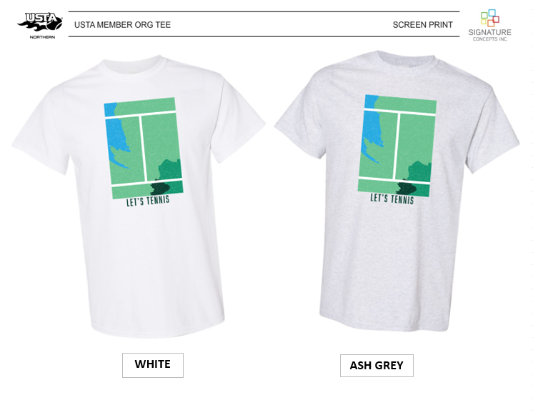

INSTRUCTIONS FOR ORDERING:
1) Enter in your contact information in the BILL TO and SHIP TO sections below.
2) Enter your Qtys BY COLOR and SIZE into the Ordering Grid below. Totals will auto-calculate for you.
3) Confirm if you will want a custom back print and key in your total tee Qtys where you see the RED arrow ($2.95/pc additional cost and $25 set up charge).
4) Email your order form to Maria Waltman ( mwaltman@signatureconcepts.com ), call or email with Q's (952-979-1324).
5) Orders will be shipped to you within 3-3.5 weeks from the end of your ordering window.

 | BILL TO INFORMATION: |  |  |  |  |  |  |  | SHIP TO INFORMATION:
Contact Name: |  |  |  |  |  |  |  | Association Name:
Email & Phone: |  |  |  |  |  |  |  | Contact Name:
Billing Address: |  |  |  |  |  |  |  | Shipping Address:

ORDERING GRID: |  |  |  |  |  |  |  |  |  |  |  |  | ( $2.95/pc for 1 color back print )
ITEM # | Description: | Color: | XS | S | M | L | XL | 2XL | 3XL | Total Units: | Cost/Pc | SUB TOTAL | Custom Back? Enter in Total Qtys per line: | BACK PRINT COST | TOTAL
#5000 | Gildan ADULT Tee (100% Cotton) | A) WHITE | N/A | 0 | 0 | 0 | 0 |  |  | 0 | $8.00 | $0.00 |  | $2.95 | $0.00
#5000 | Gildan ADULT Tee (100% Cotton) | A) WHITE | N/A |  |  |  |  | 0 |  | 0 | $10.00 | $0.00 |  | $2.95 | $0.00
#5000 | Gildan ADULT Tee (100% Cotton) | A) WHITE | N/A |  |  |  |  |  | 0 | 0 | $12.00 | $0.00 |  | $2.95 | $0.00
#5000 | Gildan ADULT Tee (100% Cotton) | B) ASH GREY | N/A | 0 | 0 | 0 | 0 |  |  | 0 | $8.00 | $0.00 |  | $2.95 | $0.00
#5000 | Gildan ADULT Tee (100% Cotton) | B) ASH GREY | N/A |  |  |  |  | 0 |  | 0 | $10.00 | $0.00 |  | $2.95 | $0.00
#5000 | Gildan ADULT Tee (100% Cotton) | B) ASH GREY | N/A |  |  |  |  |  | 0 | 0 | $12.00 | $0.00 |  | $2.95 | $0.00

#5000B | Gildan YOUTH Tee (100% Cotton) | WHITE | 0 | 0 | 0 | 0 | 0 | N/A | N/A | 0 | $7.50 | $0.00 |  | $2.95 | $0.00
#5000B | Gildan YOUTH Tee (100% Cotton) | ASH GREY | 0 | 0 | 0 | 0 | 0 | N/A | N/A | 0 | $7.50 | $0.00 |  | $2.95 | $0.00

 |  |  |  |  |  |  |  |  |  |  |  |  |  |  | Back Print Set-up Charge of $25 will be applied to your bill at the time of your order (if applicable).
 |  |  |  |  |  |  |  |  |  |  |  |  |  | GRAND TOTAL: | $0.00

